1. Title Page
[Instacart Grocery Basket Analysis]

Project Name: Instacart Grocery Basket Analysis
Date: 15 jul 2024
Analyst Name: Swapnali Sonawane

Contents :
Population Flow
Consistency checks
Wrangling steps
Column derivations
Visualizations
Recommendations

2. Population Flow
Title page

Population flow

Exclusion flag
Condition: max_order < 5
Obervations to be removed:
Final total count of order_products_all: 32,404,859

Orders_products_combined
Orders_products_merged
Orders_products_all

Total: 32,404,859
Total: 32,434,489
Total: 32,404,859

1.) The grey boxes in the first row of the population flow represent the original data sets as they were when you downloaded them. In the Total fields you need to add the count of the rows when you imported the data set into Jupyter.
2.) The second row of boxes (coloured) represents the data sets after you manipulated them, e.g., removed missing values and duplicates. In the Total fields you need to add the count of the rows after conducting these operations. This offers a visual oveview of how the data flows throughout the data consistency checks.
3.) The third row, where also the arrows are coloured, represents the merges you performed between the datasets. In the Total fields you need to add the count of the rows in the merged datasets, so that you end up with the final dataset (in the red box). Keep in mind the final dataset should be without exclusions (based on the exclusion flag).

3. Consistency checks
 |  |  |  | Title page
Consistency checks

Dataset | Missing values | Missing values treatment | Duplicates
orders | days_since_prior_order (206,209 missing values) | To address the missing values in the `days_since_prior_order` column, I have use the method of imputing these missing values with average value of column which is 7. | No duplicates
products | product_name (16 missing values) | Missing values were exported into its own database (df_nan). | 5 duplicates were found and dropped in df_prods_clean_no_dups dataframe.
orders_products_prior | None | N/A | No duplicates
customers | first_name (11,259 missing values) | Though First names are missing, surnname are presnts. As first name are unique , cant impute even.we should keep it as thez are. We can utilise the data with surnames without deleting it. | No duplicates

4. Wrangling steps
 |  |  |  | Title page
Wrangling steps

Columns dropped | Columns renamed | Columns' type changed | Comment/Reason
orders | orders_dow |  | Ambiguous column name, changed to orders_day_of_week
 |  | order_id | changed to string
 |  | user_id | changed to string
department |  | index | transposed dataset and added an index and new header

customers |  | FIRST_NAME | Changed to First_name for consistency
 |  | surnam | Change to Last_name for consistency
 |  | STATE | Changed to State for consistency
 |  | date_joined | Changed to Date_joined for consistency
 |  | n_dependants | Changed to dependents for consistency
 |  | fam_status | Changed to family_status for consistency

5. Column derivations
 |  |  |  | Title page

Column derivations and aggregations

In this tab you should add tables below that the frequences of flags/label variables that you produced after deriving them. NB: don't do this for continuous variables, only for flags.
Dataset | New column | Column/s it was derived from | Conditions
ords_prods_merge.csv | price_label | prices
 | busiest_day | order_dow
 | busiest_hours | order_hour_of_day

ords_prods_merged_grouped | max_order | user_id, order_number
 | loyalty_flag | max_order
 | average_spend | user_id, prices
 | spender_flag | average_spend
 | customer_frequency | user_id, days_since_prior_order
 | customer_frequency_type | user_frequency

orders_products_combined_2 | region | state
 | customer_activity_flag | max_order
 | age_group | age
 | income_group | income
 | dependant_size | num_of_dependants
 | week_day_category | orders_day_of_week
 | order_hour_group | order_hour_of_day

price_range_loc | customer_activity_flag
Mid-range product 21861558 | High Activity 30964564
Low-range product 10130750 | Low Activity 1440295
High-range product 412551 | Name: count, dtype: int64
Name: count, dtype: int64

busiest_day | age_group
Regularly busy 22416875 | Middle-Age Adult 15222661
Busiest day 6204182 | Senior 10582839
Least busy 3783802 | Young Adult 6599359
Name: count, dtype: int64 | Name: count, dtype: int64

busiest_days | income_group
Regularly busy 12916111 | Middle Income 17170138
Busiest days 11864412 | High Income 7713528
Slowest days 7624336 | Low Income 7521193
Name: count, dtype: int64 | Name: count, dtype: int64

busiest_period_of_day | dependant_size
Most orders 21118071 | Small 16178607
Average orders 9997651 | Large 8135109
Fewest orders 1289137 | Medium 8091143
Name: count, dtype: int64 | Name: count, dtype: int64

loyalty_flag | week_day_category
Regular customer 15876776 | Weekday 20540447
Loyal customer 10284093 | Weekend 11864412
New Customer 6243990 | Name: count, dtype: int64
Name: count, dtype: int64

type_of_spender | order_hour_group
Low Spender 32285165 | Afternoon 15253622
High Spender 119694 | Morning 11448096
Name: count, dtype: int64 | Evening 5703141
 | Name: count, dtype: int64

customer_frequency_type
Frequent Customer 21559853
Regular Customer 7208564
Non-frequent Customer 3636437
NaN 5
Name: count, dtype: int64

region
South 10791885
West 8292913
Midwest 7597325
Northeast 5722736
Name: count, dtype: int64

6. Visualizations
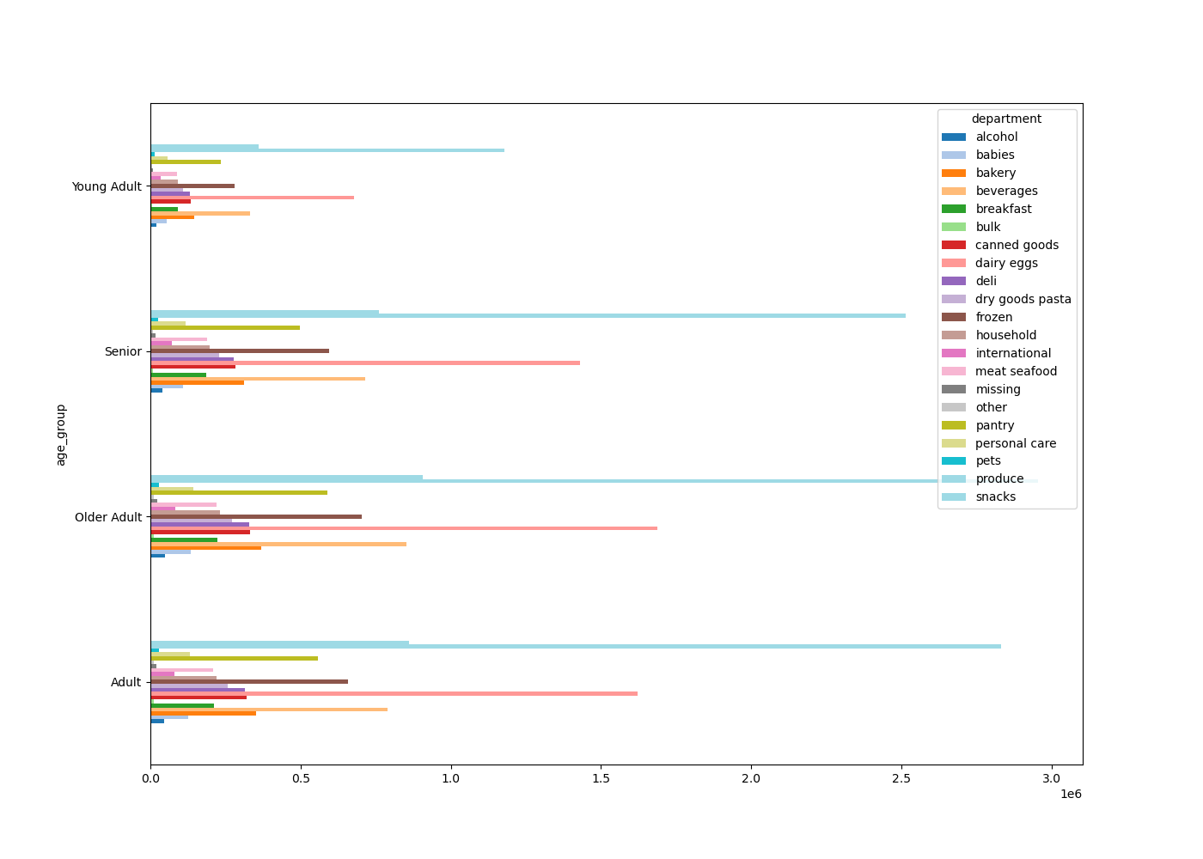
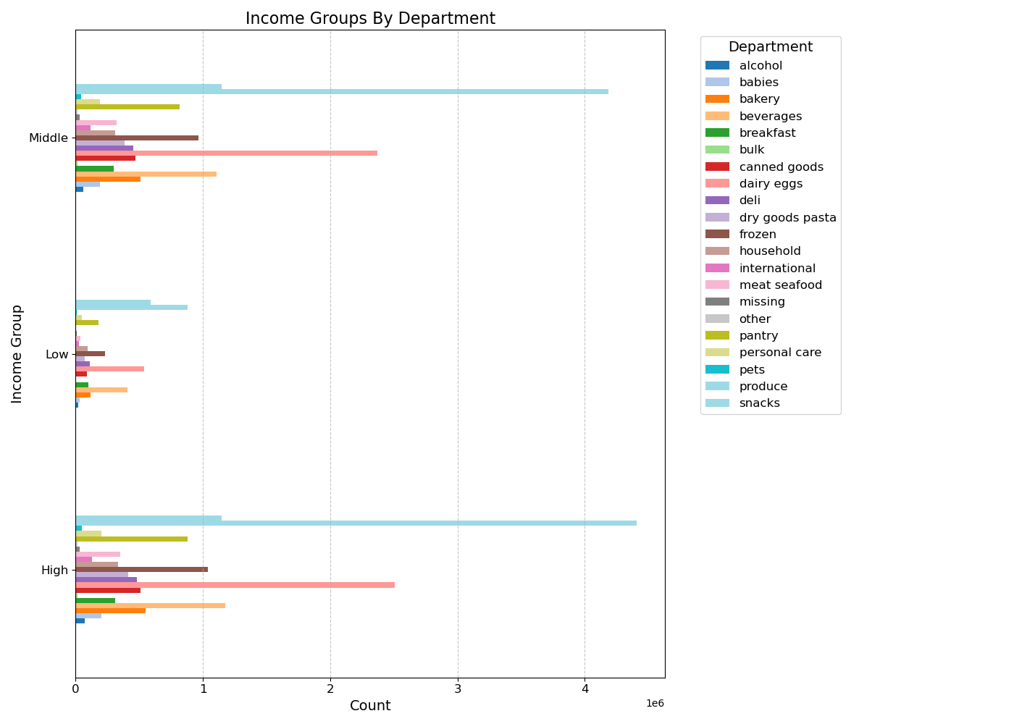
 |  |  |  | Title page

Visualisations

In this tab you should include all the visualtions from Exercises 4.9 and 4.10, alongside the question from the project brief that they answer. Include any commentary on the relationship between different variables.

Key Question:
The sales team needs to know what the busiest days of the week and hours of the day are (i.e., the days and times with the most orders) in order to schedule ads at times when there are fewer orders.

Comments:
-Based on the bar chart for Day of Week, it appears that Saturday and Sunday are the busiest days of the week.
-We also see that the middle of the week, Tuesday and Wednesday, show to be the least busiest times of the week. Overall, orders see a decline from Monday to Wednesday and begin to increase again from Thursday.
-Within a given day, orders see the largest numbers between the hours of 10am to 3pm with the fewest amount of order in the early mornings from 12am to 5am. After 5am, orders begin to see an increase in activity to their peak times of 10am to 3pm and then begin to decline after 4pm.

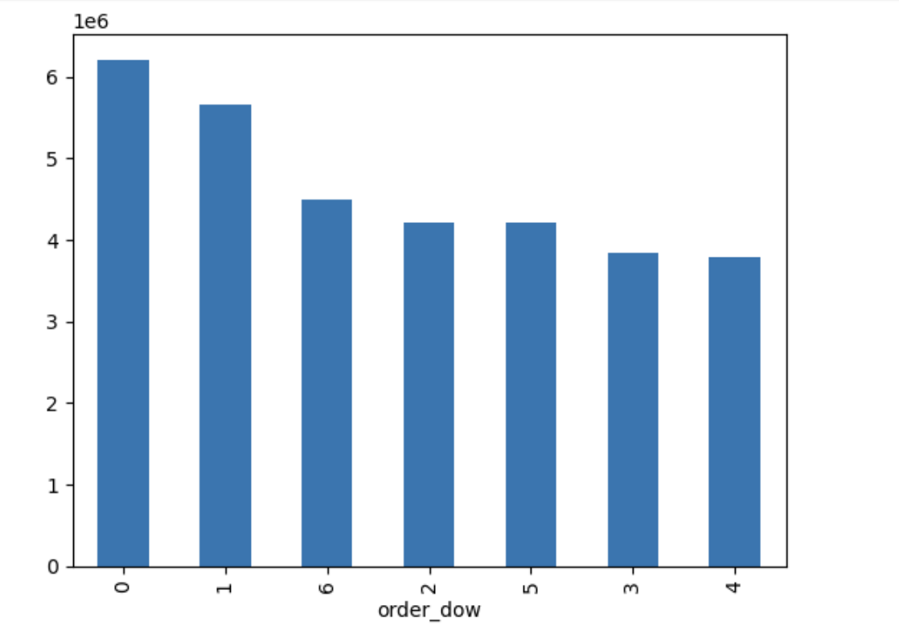
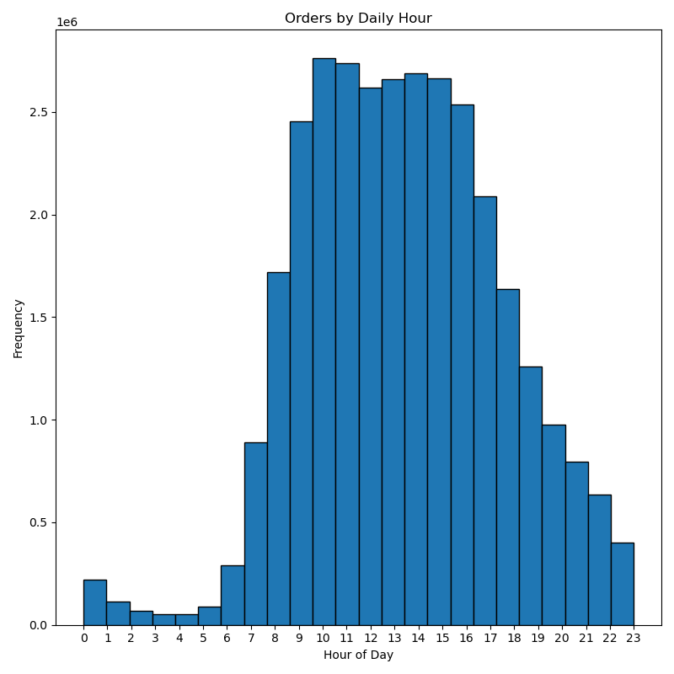

Key Question:
They also want to know whether there are particular times of the day when people spend the most money, as this might inform the type of products they advertise at these times.

Comments:
-Based on the line graph of price by hour of day, prices appear to peak in the early morning between 4am-5am with prices beginning to decline from 6am with sharp decline after 7am-8am when they appear to be at their lowest from 9am-10am. After 10am, prices begin to see an increasing trend to where they flucuate some after 3pm but remain relatively steady despite some flucuating. Prices see a second peak from 8pm to around 10pm where after 10pm they begin another declining trend.
-Based on the line graph of price per day of week, prices see their highest peaks on Friday and Saturday with a sharp decline on Sunday that continues through Monday. After Monday, we see a gradual increase from Tuesday where prices stay steady between Tuesday and Wednesday and begins to see a gradual increase for Thursday until prices see a drastic increase Friday.

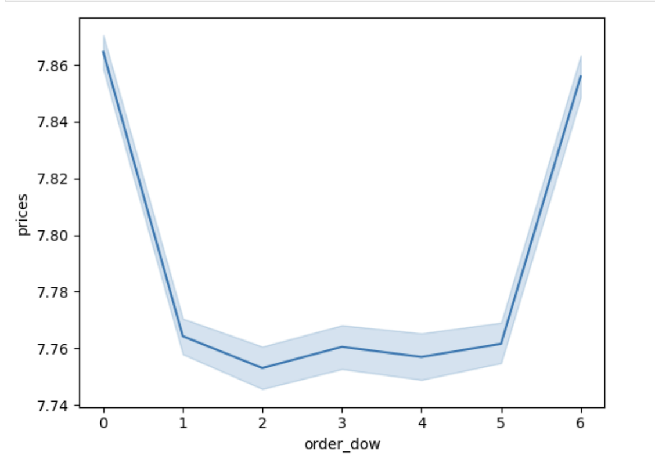
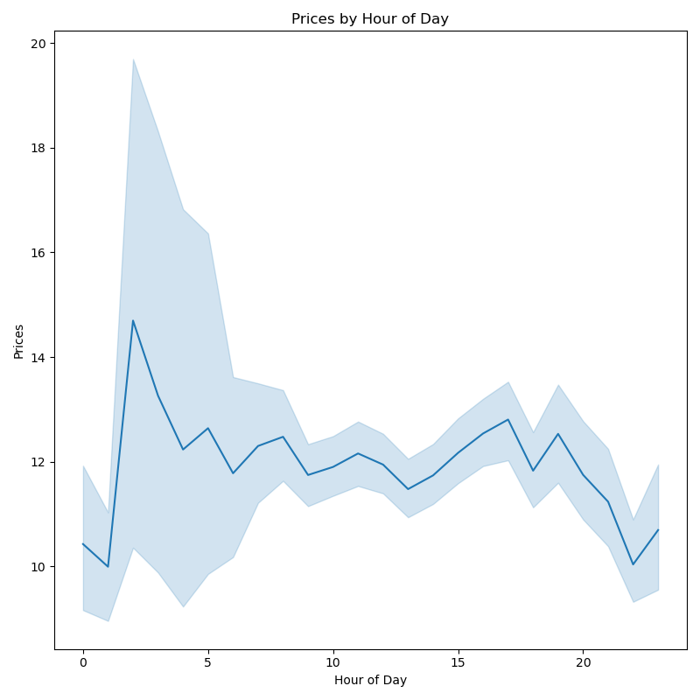

Key Question:
Instacart has a lot of products with different price tags. Marketing and sales want to use simpler price range groupings to help direct their efforts.

Comments:
-Based on both graphs, product prices appear to favor the mid-range and low-range prices with mid-range priced products being the most commonly sold.
-High-range products appear to be the least by a drastic amount in product orders.
-Based on the left graph, products tend to fall between the $5-$15 price ranges which matches with the left chart of mid-range being highest.

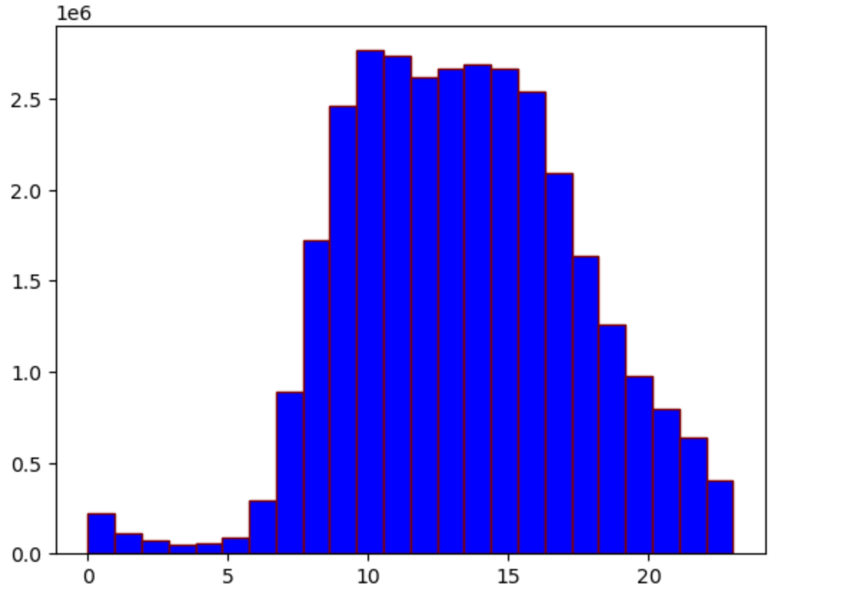
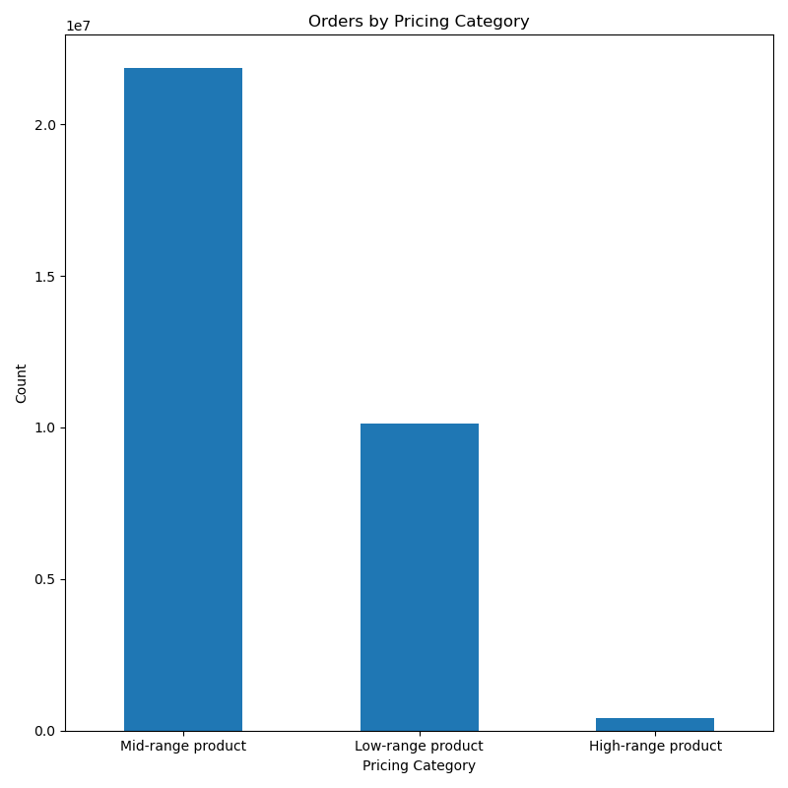

Key Question:
Are there certain types of products that are more popular than others? The marketing and sales teams want to know which departments have the highest frequency of product orders.

Comments:
-Based on the below bar chart, we can see that there are clearly better selling type of products.
-The top 10 appear to be produce, dairy eggs, snacks, beverages, frozen, pantry, bakery, canned goods, deli, and dry goods pasta products.
-Produce products clearly dominate product sales over any other department.

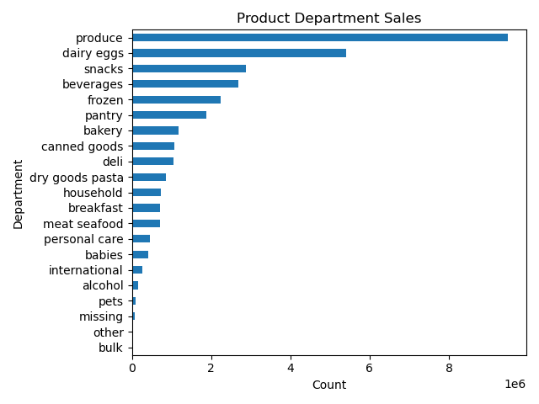

Key Question:
What’s the distribution among users in regards to their brand loyalty (i.e., how often do they return to Instacart)?

Comments:
Based on the graphs below, it appears that around half of Instacart customers at 56% fall into being regular customers and return to Instacart with relative frequency but are not in the loyal customer segment.
In regards to loyal customers, who return with reliable frequency, make up the second most segment at 32% showing a strong group of engaged customers.
The least segment is new customers that make up 12% of the customer segments and show that Instacart sees a decent flow of new customers

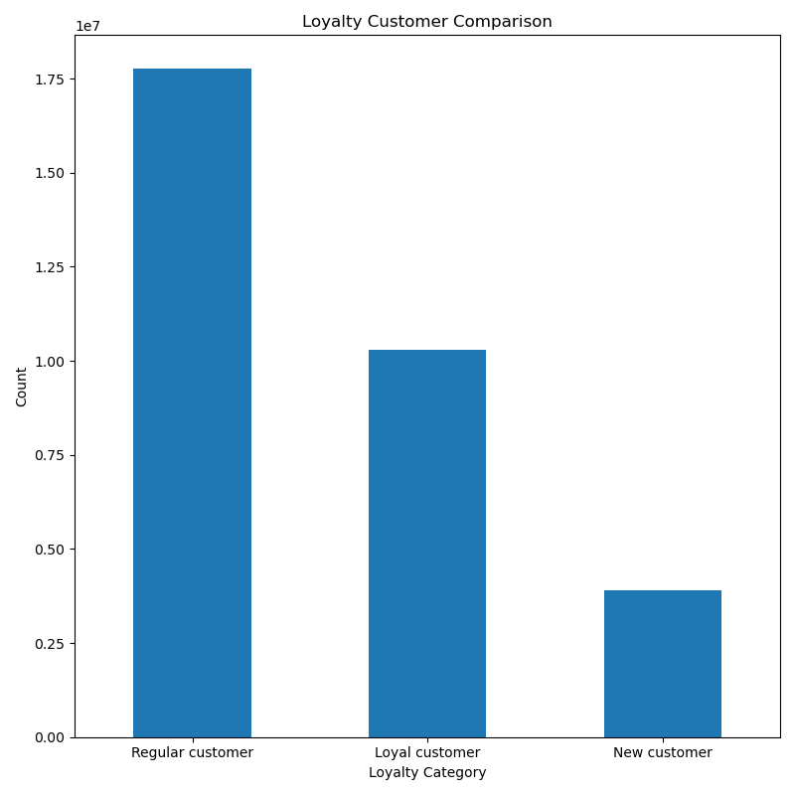
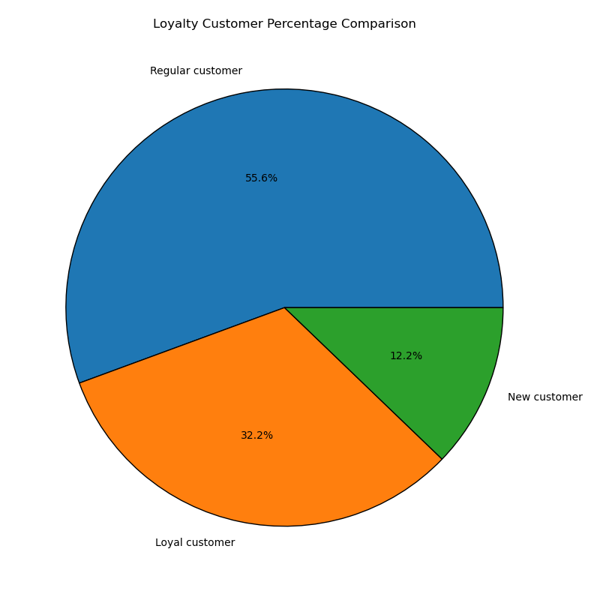

Key Question:
Are there differences in ordering habits based on a customer’s loyalty status?

-Based on the below graph, customer loyalty categories all show to be dominated by low spenders with each category having very few high spenders.
-Regular customers appear to have the most number of high spenders, but similar to other spender groups, it is very negligible.
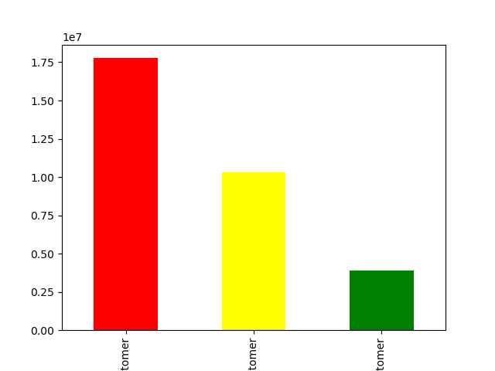

 | regular | loyal | new

Key Question:
Are there differences in departments based on a customer’s region?

Comments:
-Based on the hourly grouping of day per region, all regions favor orders in the afternoon with the South and West regions being the highest and the Northeast being the least.

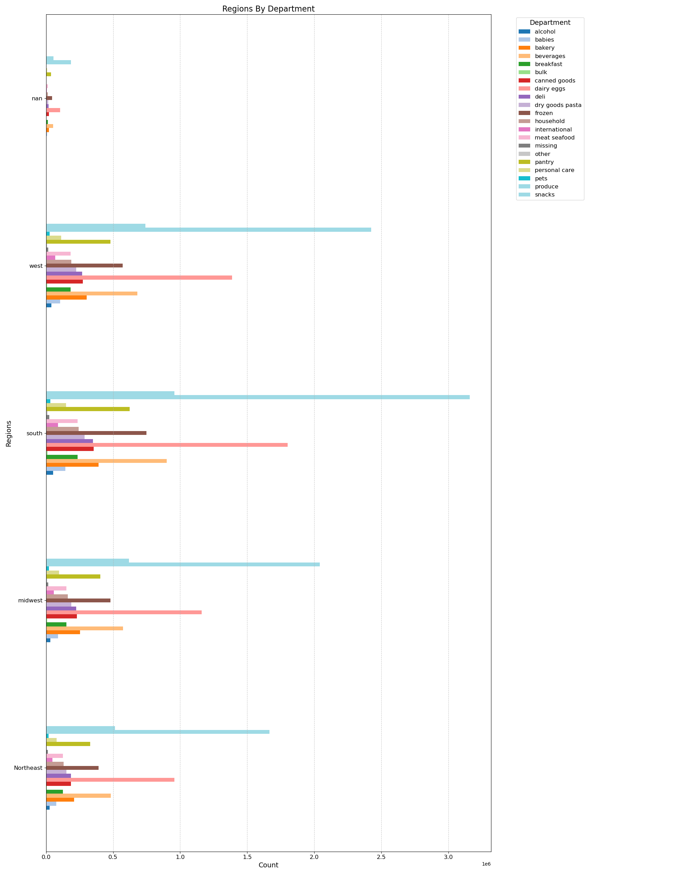

Key Question:
Is there a connection between age and family status in terms of ordering habits?

Comments:
-Based on customer order by martial status, married customers appear to be the dominate customers to be placing orders followed by single and divorced/widowed customers.
-Comparing age by number of dependants, there does not appear to be a clear relationship between age and number of dependants in a customer household

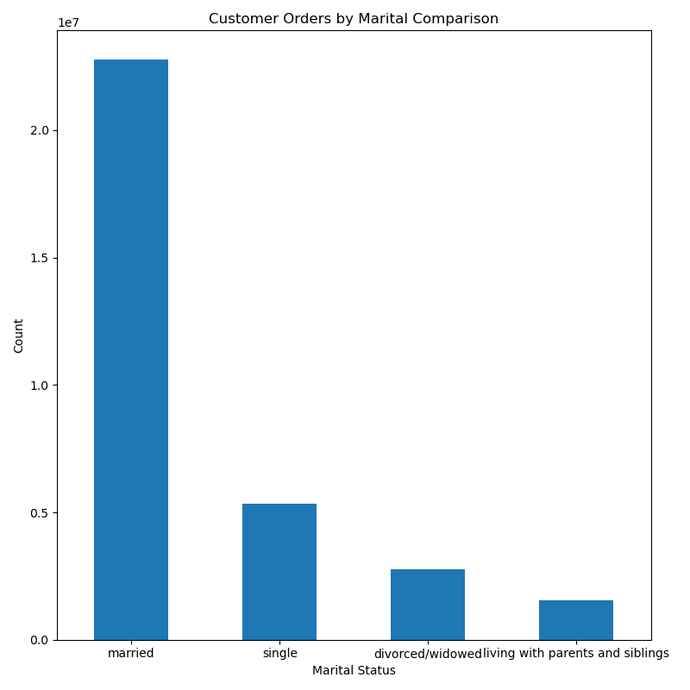
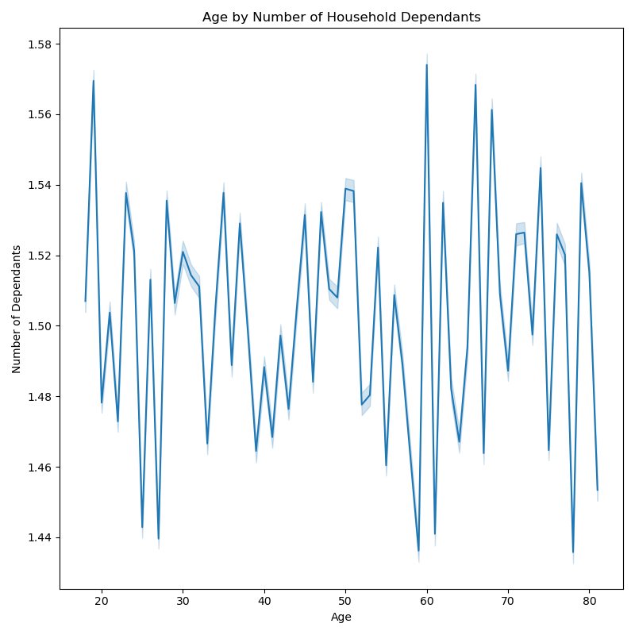

Key Question:
What different classifications does the demographic information suggest?
Age?
Income?
Certain types of goods?
Family status?

Comments:
-Based on the age group pie and bar charts, customers primarily fall in the middle-age group at 47% with seniors following second at 32.7%, and young adults following last at 20.4%.
-Based on the scatterplot, we can see that age does not show a clear relationship with income and does not have any realy consistency toward any increasing or decreasing patterns.
 | -We can see that after the age of 40, incomes begin to see an increase for certain customers compared to younger ages.
 | -With the higher incomes for some customers over the age of 40, age groups over 40 appear to have greater distribution in incomes over 400,000.
 | -Across all ages, we can see that the income for 200,000 or less is much more dense and less sparsely distributed and scattered than those incomes over 400,000.
 | -We can see that incomes begin peaking after the age of 40 showing that highest incomes will mostly fall into middle-age adults and seniors rather than young adults.
-Based on income, customers primarily fall into the middle income group at 53% with high and low income groups being almost the same at high income groups being 23.8% and low income groups being 23.2%.
-Based on the dependant groups chart, we can see that customers primarily fall into the small dependant household category of having 0-1 dependant.

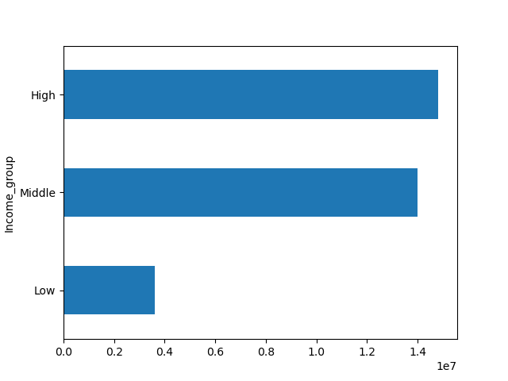
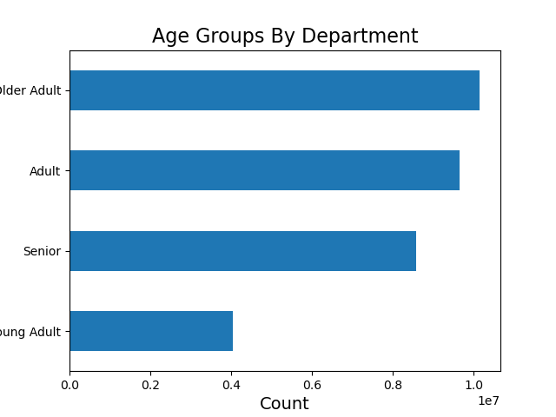

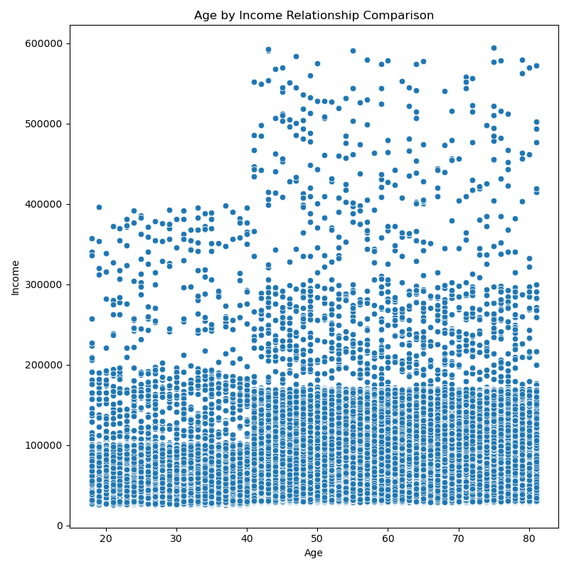

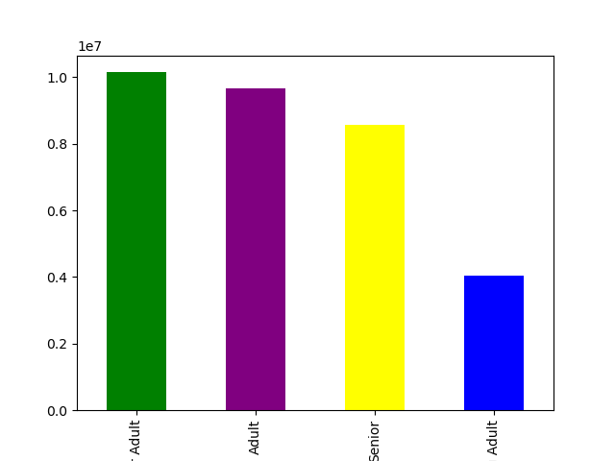

 | Key Question:
 | What differences can you find in ordering habits of different customer profiles? Consider the price of orders, the frequency of orders, the products customers are ordering, and anything else you can think of.

 | Comments:
 | -Based on age group profile, we can see that the middle age group holds primary sells in all product departments with produce being the main selling department. This middle-age group also holds the highest number of loyalty flag customers with regular being first and loyal customers being second.
 | -Based on income groups profile, we can see that the middle income group makes up the majority of department sales with high income appearing to take second highest in department sales and low income taking the least. While low income does appear to be the least, it appears closely behind high income in several departments, but does appear to overtake high income in alcohol department sales.

7. Recommendations
 |  |  | Title page

Recommendations
Recommendations

 | Question | Answer
1 | What days of the week and hours of the day are busiest? | The busiest days of the week are Saturday and Sunday between the hours of 8 am to 4 pm. The least busy day is Wednesday between the hours of 2 am to 5 am. Therefore, Instacart should schedule ads on Wednesday during the times 6 am to 8 am and 5pm to 10 pm. Scheduling it earlier than 6 am and later than 10 pm will not be beneficial as people may still be sleeping.

2 | What times of the day do people spend the most money? | People spend the most money during the hours of 8am to 4pm. 9 am is when people spend the most money. Therefore, Instacart should utilize those times to advertise specific products.

3 | Are there certain types of products that are more popular than others? | The top 5 products are produce, dairy and eggs, snacks, beverages and frozen food. Therefore, Instacart should provide special offers on those categories to keep drawing customers' attention and activity.

4 | What's the distribution amoung users in regards to their brand loyalty? | There are more regular customers than loyal customers. Therefore, Instacart should offer incentives to reward its regular customers and incentivize non regular customers (loyal and new) to become regular customers.

5 | Are there differences in ordering habits based on a customer's loyalty status? | Customers who are adults with middle income are the most frequent customers of Instacart. Young adults are the least frequenct customers. Therefore, Instacart should focus on advertising mid-range products to adult and senior customers.

6 | Are there differences in ordering habits based on a customer's region? | In every region, Instacart customers are mostly adults. Also, the South has the most customers in all three age groups followed by the West, then the Midwest and lastly the Northeast. The majority of the customers buy mid-range products followed by low-range products and purchase high-range products the least in all four regions. Instacart should focus on advertising to the South; however, Instacart should focus more on customers in the West and the Midwest as those regions are not too far from the ordering habits of the customers in the South.

7 | Is there a connection between age and family status in terms of ordering habits? | There is not a specific connection between age and family status in terms of ordering habits. Most of Instacart frequent, non-frequent, and regular customers are married. It is followed by single people, divorced/widowed people and lastly people who live with their parents and siblings. However, there is a positive correlation between age and income. As the older you become, the more income you'll earn. The scatterplot shows the relationship between between age and spending power (income) of instacart customers. Based on the scatterplot, there is a large concetration of customers across all ages that earns up to 200,000 (USD) and customers who are 40 years and older are earning up to 600,000 (USD). So, customers who are 40 years and older might spend more because of their higher income. There is no correlation betweem age and the number of dependents. Seniors are the next group of frequent customers. Therefore, Instacart should offer Senior citizens special promotions in order to increase the ordering habits of Senior citizens. Also, offering special prices on bundles of products that young adults are interested in will increase young adults' activities as well.

8 | What differences can you find in ordering habits of different customer profiles? consider the price of orders, frequency of orders, products customers are ordering, and anything else you can think of. | Income groups were the primary focus, as other demographics like age and family status had already been examined. The analysis shows that middle and high-income earners have similar spending patterns, including the average order total, order frequency, and product preferences. In contrast, low-income earners spend significantly less per order and shop slightly less frequently. Although produce is the top department for all groups, low-income earners' second-highest department being "snacks" stands out. This suggests that low-income earners might have different shopping priorities, possibly because many of these customers might not be using Instacart for their main grocery shopping, as this task could be handled by a roommate or parent.Income groups were the primary focus, as other demographics like age and family status had already been examined. The analysis shows that middle and high-income earners have similar spending patterns, including the average order total, order frequency, and product preferences. In contrast, low-income earners spend significantly less per order and shop slightly less frequently. Although produce is the top department for all groups, low-income earners' second-highest department being "snacks" stands out. This suggests that low-income earners might have different shopping priorities, possibly because many of these customers might not be using Instacart for their main grocery shopping, as this task could be handled by a roommate or parent.

